Sheet1
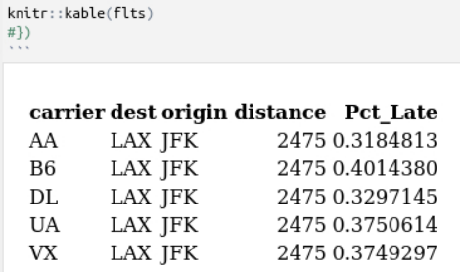
Loading Times
File | Size | User | System | Elapse
csv13 | 32 mB | 1.284 | 0.059 | 1.377
tbl09 | 756 mB | 0.332 | 0.014 | 8.948
tbl09-12 | 2.9 gB | 0.561 | 0.089 | 28.307
tbl13 | 32 mB | 0.256 | 0.013 | 1.93

Calculating Arrival Delay
File | Size | User | System | Elapse
csv13 | 32 mB | 0.028 | 0 | 0.029
tbl09 | 756 mB | 0.099 | 0 | 0.142
tbl09-12 | 2.9 gB | 0.101 | 0 | 0.188
tbl13 | 32 mB | 0.081 | 0 | 0.153

Linear Model
File | Size | User | System | Elapse
csv13 | 32 mB | 3.47 | 0.139 | 2.806
tbl09 | 756 mB
tbl09-12 | 2.9 gB
tbl13 | 32 mB | 1.87 | 0.026 | 3.995

